User Setup Creation Negative
 | Test Case Name :- Advaita-User Setup-User Management-Functional Test Case
 | Requirement Number :-ADV-US-01
 | Module Name :- Advaita-User Setup-User Management
 | Pre-Condition :- The user should Logged In into the application with valid credentials.
 | Created By :- James paul R
 | Reviewer: Nayagam
 | Test Case Type :- Functional Test Case.
 | Brief Description :- Writing Test Case for Advaita-User Setup-User Management-Functional Test Case for User Creation.
 | Date:-19-06-2024
SLNO | Scenario | Test Case | Preconditions | Steps | Inputs | Expected Result | Actual Result | Status | Tester-Comments | Developer-Comments | API URL
 | User Creation fields | Validate all the input fields in user creation page with Unicode characters | User Should be Logged in With Valid Super Admin Credentials. | Click on create Button, enter unicode characters in all the input fields and click on save |  | It should open a user setup tab. | It opened the User Setup Tab | Pass
 |  |  | User should be navigated to user Management Page | Verify the response of all input fields |  | Entering an unicode and saving the record. The system should show an appropritate errror message and restrict in saving the record | Entering an unicode character in First Name and Last Name and click on create, it's redirecting to Database error | Fail
 |  | Validate Username with Unicode and special character | User Should be Logged in With Valid Super Admin Credentials. User should be in user creation page | Fill in all the mandatory fields and in Username enter special charater and Unicode character. And click on create to create a user record |  | The system should throw an Error message as "Enter a Valid Username". Below User name | No Error Message Displayed instead the system is Buffering | Fail
 |  | Validate the mandatory fields with blank inputs | User Should be Logged in With Valid Super Admin Credentials. User should be in user creation page | Leave all the mandatory fields empty and fill the non mandatory fields. Click on create button to create an user account. |  | Clicking on create the system should throw an error message to fill in the mandatory fields | The system successfully throwed an error message | Pass
 |  | Validate creating a Duplicate User Account | User Should be Logged in With Valid Super Admin Credentials. User should be in user creation page | Enter a username that already exists |  | The system should throw an Error message as "User Name already exists!". Below User name | The system successfully throwed an error message | Pass
 |  | Validate password field Negatively against the password policy | User Should be Logged in With Valid Super Admin Credentials. User should be in user creation page | Enter the password only lowercase, only uppercase,only numbers,only special character. Individually |  | The system should throw an error message as "must consist lowercase ,capitalcase letter, number and special characters" | The system successfully throwed an error message | Pass
 |  | Validate Confirm Password Filed mismatching with password | User Should be Logged in With Valid Super Admin Credentials. User should be in user creation page | Give a mismatching and different inputs in password and confirm password field |  | The system should throw an error message as "Confirm Password should be same as New Password." below confirm password | The system successfully throwed an error message | Pass
 |  | Validate Creating a User with leading and trailing spaces | User Should be Logged in With Valid Super Admin Credentials. User should be in user creation page | Enter an UserName with leading and trailing spaces. Assign few Permissions. Click on "Create" to create an User Account |  | The system should validate the whitespaces and trim the leading and trailing spaces and save the username. | The system trimmed the user and saved in user management table. | Pass
 |  |  |  | Assert login in without spaces |  | The system should accept the username without spaces | The system failed to accept username without spaces. It failed to trim while creating the record | Fail
 | Email | Validate Creating an user account with duplicate Email | User Should be Logged in With Valid Super Admin Credentials. User should be in user creation page | Fillin all the required fields and enter a dupicate email which is already used in creating a user account and click on create |  | The System should throw an error message as "Email already exists." and restrict in creating the user account | The system failed to throw any error message and created the user with duplicate email id | Fail
 |  | Validate Email Field without @ symbol | User Should be Logged in With Valid Super Admin Credentials. User should be in user creation page | Fill in all the mandatory fields with valid inputs. Enter email without "@" symbol |  | The system should throw an error message as "Please enter a valid email address." below Email Field | The system successfully throwed an error message | Pass
 |  | Validate Email Field without domain | User Should be Logged in With Valid Super Admin Credentials. User should be in user creation page | Fill in all the mandatory fields with valid inputs. Enter email without "Domain". |  | The system should throw an error message as "Please enter a valid email address." below Email Field | The system successfully throwed an error message | Pass
 |  | Validate Email field without local part | User Should be Logged in With Valid Super Admin Credentials. User should be in user creation page | Fill in all the mandatory fields with valid inputs. Enter email without "Local Part". |  | The system should throw an error message as "Please enter a valid email address." below Email Field | The system successfully throwed an error message | Pass
 |  | Validate Email field with space inbetween | User Should be Logged in With Valid Super Admin Credentials. User should be in user creation page | Fill in all the mandatory fields with valid inputs. Enter email with Spaces |  | The system should throw an error message as "Please enter a valid email address." below Email Field | The system successfully throwed an error message | Pass
 |  | Validate Email Field with double @@ | User Should be Logged in With Valid Super Admin Credentials. User should be in user creation page | Fill in all the mandatory fields with valid inputs. Enter email with @@ |  | The system should throw an error message as "Please enter a valid email address." below Email Field | The system successfully throwed an error message | Pass
 |  | Validate Email Field with # replacing @ | User Should be Logged in With Valid Super Admin Credentials. User should be in user creation page | Fill in all the mandatory fields with valid inputs. Enter email with # replacing @ |  | The system should throw an error message as "Please enter a valid email address." below Email Field | The system successfully throwed an error message | Pass
 |  | Validate Uploading feature creating a new user with invalid email ids | User Should be Logged in With Valid Super Admin Credentials. User should be in User Management page. Prepare a user data with invalid email ids | Click on "Cloud Upload" button. Select one or more stages. Click on new radio button to upload new set of users. Click on "Drag and drop or Browse" and select the saved excel file. Click on Upload button to upload the file. | Invalid Email ids:@@,spaces,, no domain, no @,etc.. | It should throw an Error message stating the email are invalid | No Error message prompted,the system ws buffering, refreshing the browser, the system created the users with invalid email ids | Fail |  | 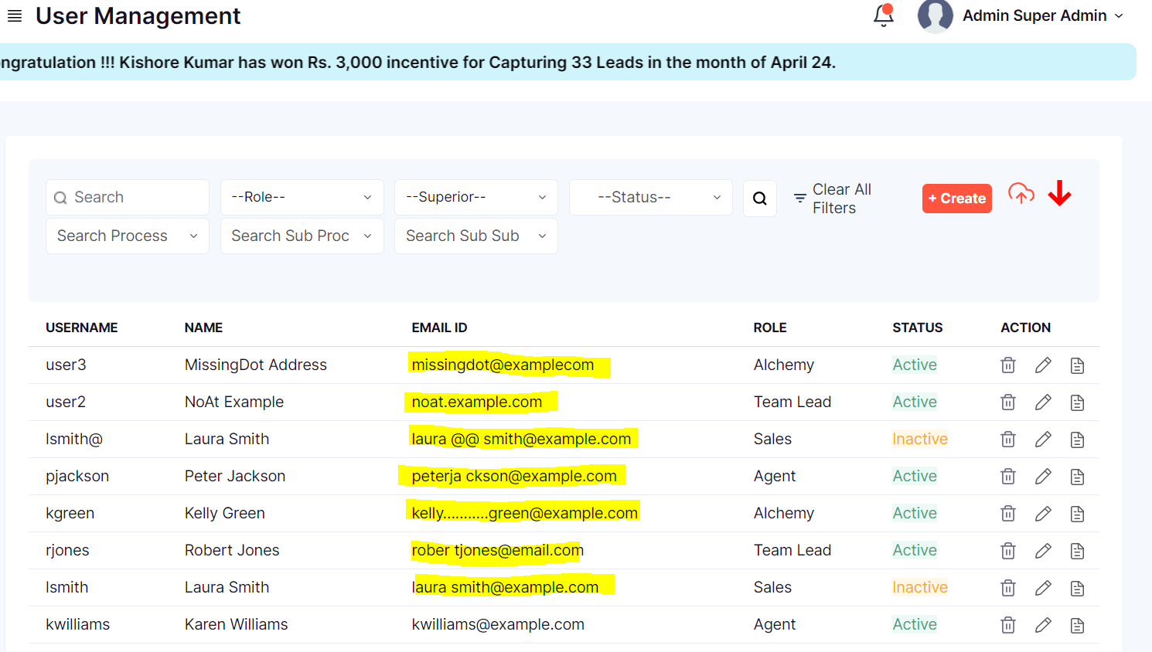
 |  | Validate uploading Duplicate data | User Should be Logged in With Valid Super Admin Credentials. User should be in User Management page. Create a Duplicate data and save it in an excel file | Click on "Cloud Upload" button. Select one or more stages. Click on "New" radio button to upload new set of users. Click on "Drag and drop or Browse" and select the saved excel file. Click on Upload button to upload the file. |  | Clicking on drag and drop and upolading a file from local drive to the appilcation, the file should load in the application. Clicking on Upload button, The system should throw an error message saying the users already exists | The system failed to thow duplicate error mesaage, instead the system is Buffering | Fail
 |  | Validate Uploading Multiple excel file with same data | User Should be Logged in With Valid Super Admin Credentials. User should be in User Management page. Prepare 2 Excel file with same Set of data | Click on "Cloud Upload" button. Select one or more stages. Click on new radio button to upload new set of users. Upload both the files created with same set of data. Click on Upload file |  | Clicking on drag and drop and upolading a file from local drive to the appilcation, the file should load in the application. Clicking on Upload button, The system should throw an error message saying duplicate or only one file is allowed at a time | The system failed to thow duplicate error mesaage, instead the system is Buffering | On Hold
 |  | Validate Uploading Multiple excel file with Different data | User Should be Logged in With Valid Super Admin Credentials. User should be in User Management page. Prepare 2 Excel file with Different Set of data | Click on "Cloud Upload" button. Select one or more stages. Click on new radio button to upload new set of users. Upload both the files created with same set of data. Click on Upload file |  | Clicking on drag and drop and upolading a file from local drive to the appilcation, the file should load in the application. Clicking on Upload button, The system should throw an error message saying only one file is allowed at a time or it should accept all the data and create the users | The system Accepted from only one file, not showing the error for the second file | Fail
 |  | Validate Updating data uploading excel file with modified data | User Should be Logged in With Valid Super Admin Credentials. User should be in User Management page. Prepare An Excel file with modified Set of data | Click on "Cloud Upload" button. Select one or more stages. Click on Update radio button to upload modified set of users. Upload the excel file by clicking on "Drag &Drop". Click on Upload button, to update the data |  | The System should accept the file and modify the changes. | The System failed to handle the modification, it is buffering and throwing an error message as Unexpected error., refreshing the browser modified the changes | Fail
 |  | Validate Updating data uploading excel file with New Set of data | User Should be Logged in With Valid Super Admin Credentials. User should be in User Management page. Prepare An Excel file with new Set of data | Click on "Cloud Upload" button. Select one or more stages. Click on Update radio button to upload modified set of users. Upload the excel file by clicking on "Drag &Drop". Click on Upload button, to update the data |  | The system Should throw an error message as"There are no such Users to update" | The system is buffering with an error message as"Unexpected Error", refreshing the browser, the system has created new users for it | Fail
 |  | Validate Updating data uploading 2 excel file with New Set of data | User Should be Logged in With Valid Super Admin Credentials. User should be in User Management page. Prepare An 2 Excel file with new Set of data | Click on "Cloud Upload" button. Select one or more stages. Click on Update radio button to upload modified set of users. Upload the excel files by clicking on "Drag &Drop". Click on Upload button, to update the data |  | The system Should throw an error message as"There are no such Users to update" | The system is buffering with an error message as"Unexpected Error", refreshing the browser, the system has created new users for it from one the excel file | Fail
 |  | Validate Updating User records uploading 2 excel file with different data | User Should be Logged in With Valid Super Admin Credentials. User should be in User Management page. Prepare 2 Excel file with Diferent Set of data | Click on "Cloud Upload" button. Select one or more stages. Click on Update radio button to upload modified set of users. Upload the excel files by clicking on "Drag &Drop". Click on Upload button, to update the data |  | The system Should throw an error message as"There are no such Users to update" | The system is buffering with an error message as"Unexpected Error", refreshing the browser, the system has created new users for it from one the excel file | Fail
 |  | Validate Updating the User with invalid Email ids | User Should be Logged in With Valid Super Admin Credentials. User should be in User Management page. Prepare An Excel file with invalid email ids | Click on "Cloud Upload" button. Select one or more stages. Click on Update radio button to upload modified set of users. Upload the excel files by clicking on "Drag &Drop". Click on Upload button, to update the data |  | The system Should throw an error message stating "the email ids are invalid | Failed to throw error, The system is buffering, refreshing the browser, the system created the user with invalid records | Fail
 |  | Validate Creating a User blank space input | User Should be Logged in With Valid Super Admin Credentials. User should be in User Creation page. | Leave UserName Input field blank, Give the Password. Assign a Role from Groups Dropdown. Click on Save | UserName: " " Password: Qwerty@123 Groups: Admin | The System Should not save a record with blank space. The system should throw an error message. | No Error Message was prompted, instead the system saved the record with blank input | Fail

